Sheet1
Test Issue Tracking Form--InventoryManagementSystem by SA50 team 3
SN | TESTER | DATE | URL | TEST ROLE | DESCRIPTION | SCREENSHOT | STATUS | Latest Person | Commet
1 | yanbin | 2020-08-27 | http://127.0.0.1:62068/department | any can access | CollectionPoint not show successfully |  | ERROR | yanbin
2 | yanbin | 2020-08-27 | http://127.0.0.1:62068/StationeryRetrieval/StationeryRetrievalForm?id=1 | Store Manager | not show successfully | 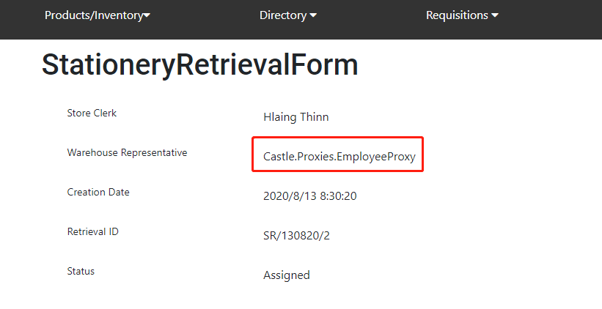 | ERROR | yanbin |  | Pending
3 | yanbin | 2020-08-27 | http://127.0.0.1:62068/srf/createsrf | Store Manager | "choose requistion" button can be clicked multi times, each click will add request | 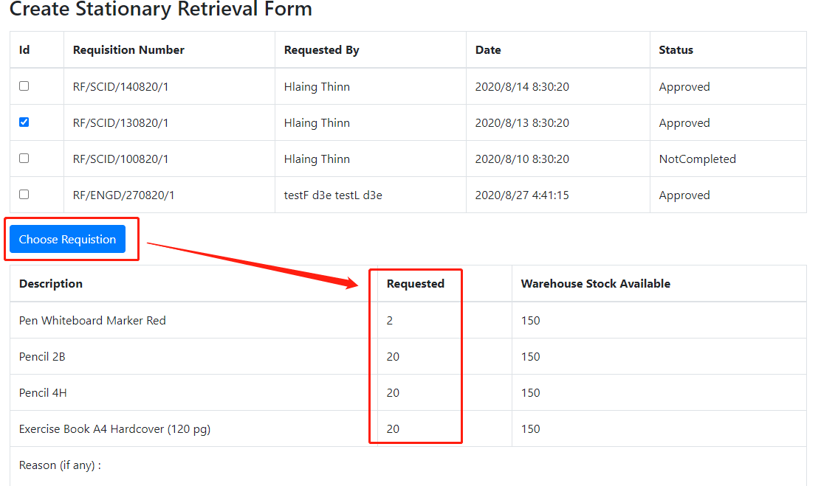 | ERROR | yanbin |  | ERROR
4 | yanbin | 2020-08-27 | http://127.0.0.1:62068/StationeryRetrieval/StationeryRetrievalForm?id=1 | Store Supervisor | Requistion Form missing | 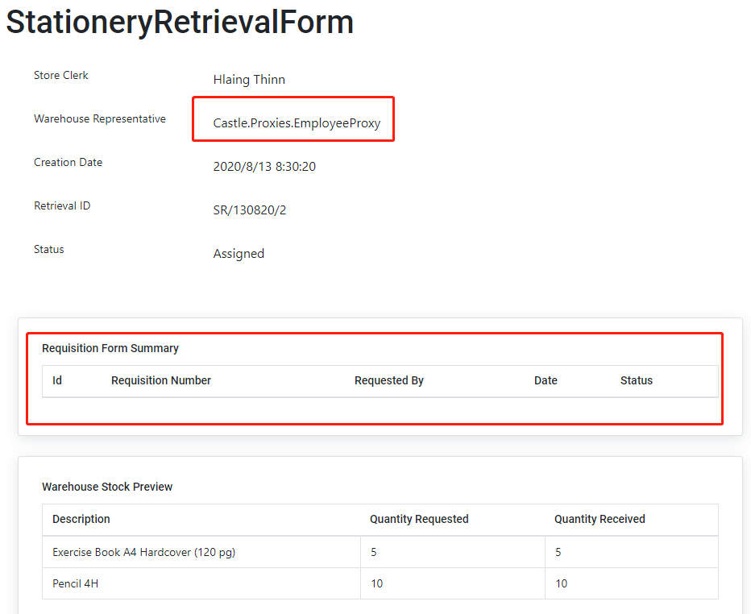 | Pending | yanbin | Maybe Reason: Incomplete manual data | Processing
5 | yanbin | 2020-08-27 | http://127.0.0.1:62068/srf/open/5 | Store Clerk | every employee can pass varify if input correct Username&Password | 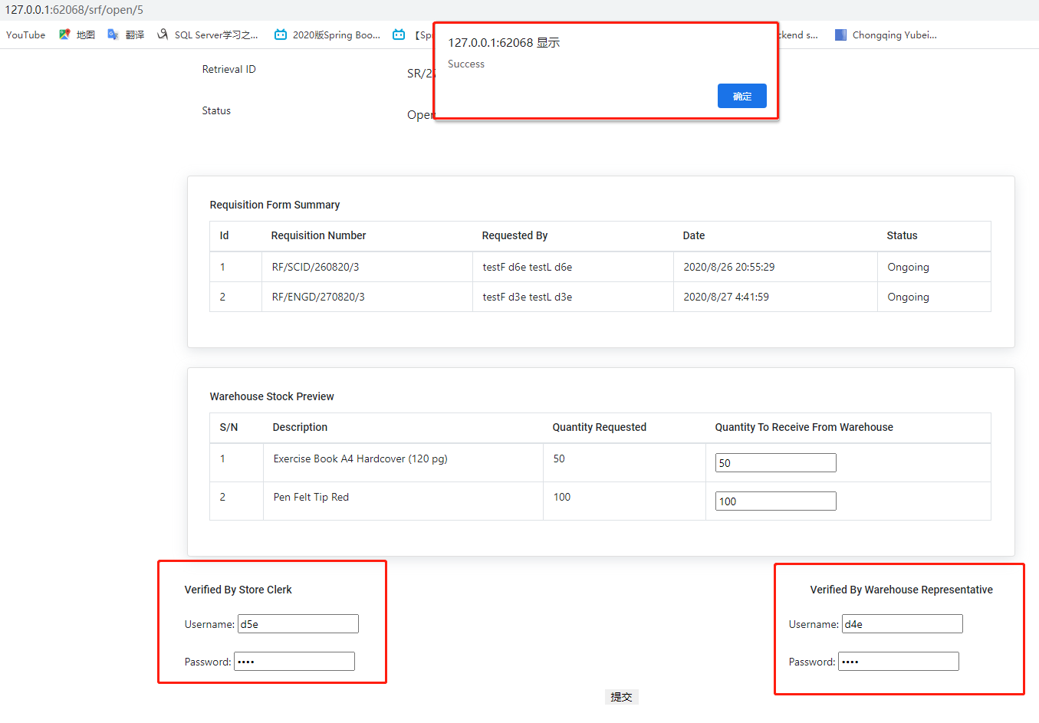 | Pending | yanbin |  | Completed
6 | yanbin | 2020-08-27 | http://127.0.0.1:62068/srf/assign/3 | Store Clerk | srf-assign: data not match | 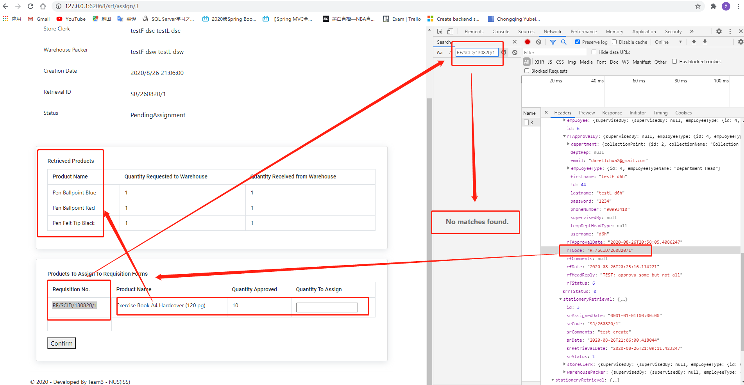 | ERROR | yanbin |  | Ignore
7 | yanbin | 2020-08-27 | http://127.0.0.1:62068/rf/21 | Department Head | cancelled by d8er, mis-show to d8h | 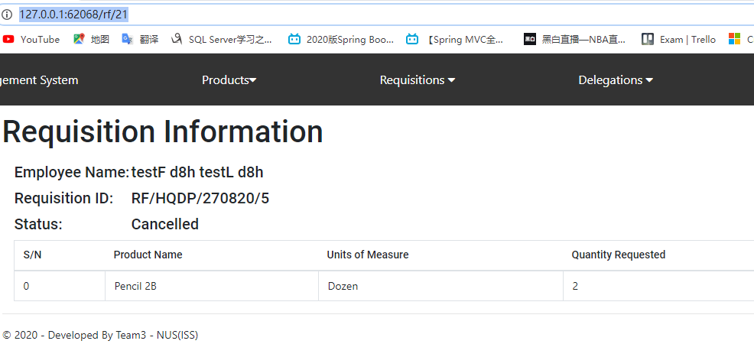 | ERROR | yanbin
8 | yanbin | 2020-08-27 | http://127.0.0.1:62068/rf/approval/22 | Department Head | can not to reject | 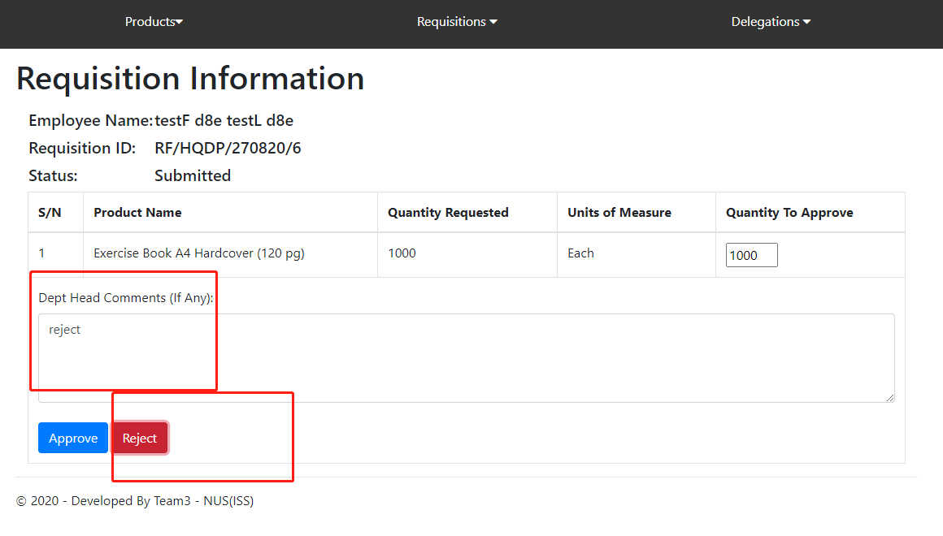 | ERROR | yanbin |  | Temporary Department Head
 |  |  |  |  |  |  |  |  |  | Warehouse Packer
 |  |  |  |  |  |  |  |  |  | Department Representative
 |  |  |  |  |  |  |  |  |  | Department Head
 |  |  |  |  |  |  |  |  |  | Employee
 |  |  |  |  |  |  |  |  |  | Store Manager
 |  |  |  |  |  |  |  |  |  | Store Supervisor
 |  |  |  |  |  |  |  |  |  | Store Clerk
 |  |  |  |  |  |  |  |  |  | any can access

 |  |  |  |  |  |  |  |  |  | darell
 |  |  |  |  |  |  |  |  |  | sheryl
 |  |  |  |  |  |  |  |  |  | rohan
 |  |  |  |  |  |  |  |  |  | xinqi
 |  |  |  |  |  |  |  |  |  | arjun
 |  |  |  |  |  |  |  |  |  | thinn
 |  |  |  |  |  |  |  |  |  | yamone
 |  |  |  |  |  |  |  |  |  | yanbin

